Error from brand2017
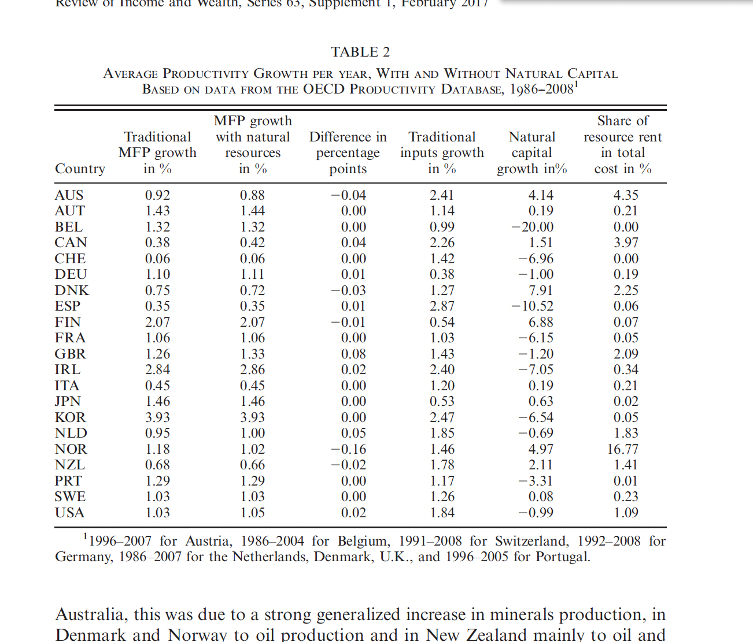

Sum of absolute values in column 3
0.49

